Sheet1
 | Segment Name | Length (mm) | Mass (μg) | Origin** Global Position |  |  | Rotation* |  |  | Origin** Local Position* |  |  | THC ATTACHMENT POINTS ON BODY
 |  |  |  | X Coord (mm) | Y Coord (mm) | Z Coord (mm) | X (deg) | Y (deg) | Z (deg) | X Coord (mm) | Y Coord (mm) | Z Coord (mm) | Leg | X Coord (mm) | Y Coord (mm) | Z Coord (mm)
Left Front | LF_Coxa | 0.352 | 3.454 | 0.645 | -0.291 | -0.182 | 90 | -90 | 0 | 0 | -0.176 | 0 | Left Front | 0.645 | -0.115 | -0.182
 | LF_Trochanter | 0.045 | 0.446 | 0.645 | -0.467 | -0.205 | 180 | 0 | 90 | 0.176 | 0.0227 | 0 | Right Front | 0.645 | -0.115 | 0.182
 | LF_Femur | 0.559 | 5.491 | 0.645 | -0.307 | -0.457 | 0 | 0 | 35 | 0.252 | 0.16 | 0 | Left Middle | 0.213 | -0.335 | -0.0357
 | LF_Tibia | 0.481 | 4.722 | 0.645 | -0.343 | -0.823 | 0 | 0 | -90 | 0.279 | -0.24 | 0 | Right Middle | 0.213 | -0.335 | 0.0357
 | LF_Tarsus | 0.565 | 5.554 | 0.645 | -0.589 | -1.239 | 0 | 0 | 45 | 0.44 | 0.2 | 0 | Left Hind | 0.05 | -0.335 | -0.0748
Right Front | RF_Coxa | 0.352 | 3.454 | 0.645 | -0.291 | 0.182 | 90 | -90 | 0 | 0 | -0.176 | 0 | Right Hind | 0.05 | -0.335 | 0.0748
 | RF_Trochanter | 0.045 | 0.446 | 0.645 | -0.467 | 0.205 | 0 | 0 | 90 | 0.176 | 0.0227 | 0
 | RF_Femur | 0.559 | 5.491 | 0.645 | -0.207 | 0.457 | 0 | 0 | 35 | 0.252 | 0.16 | 0
 | RF_Tibia | 0.481 | 4.722 | 0.645 | -0.344 | 0.823 | 0 | 0 | -90 | 0.279 | -0.24 | 0
 | RF_Tarsus | 0.565 | 5.554 | 0.645 | -0.589 | 1.239 | 0 | 0 | 45 | 0.44 | 0.2 | 0 | * In reference to the previous segment in the chain's coordinate system. For the coxa, this is in reference to the ThC position/global coordinate system
Left Middle | LM_Coxa | 0.091 | 0.894 | 0.213 | -0.381 | -0.0357 | 90 | -90 | 0 | 0 | -0.0455 | 0 | ** Origin is always in the center of all dimensions of the segment
 | LM_Trochanter | 0.07 | 0.69 | 0.213 | -0.426 | -0.0708 | 180 | 0 | 90 | 0.0455 | -0.0351 | 0
 | LM_Femur | 0.712 | 7 | 0.213 | -0.233 | -0.406 | 0 | 0 | 32.7 | 0.335 | 0.193 | 0 | DOF ORIENTATIONS
 | LM_Tibia | 0.645 | 6.334 | 0.213 | -0.311 | -0.879 | -180 | 0 | 90 | 0.356 | -0.322 | 0 | DoF | Positive Direction | Negative Direction
 | LM_Tarsus | 0.712 | 6.998 | 0.214 | -0.667 | -1.407 | 0 | 0 | -45 | 0.584 | -0.252 | 0 | ThC2 | Levation | Depression
Right Middle | RM_Coxa | 0.091 | 0.894 | 0.213 | -0.381 | 0.0357 | 90 | -90 | 0 | 0 | 0.0455 | 0 | ThC1 | Supination | Pronation
 | RM_Trochanter | 0.07 | 0.69 | 0.213 | -0.427 | 0.0709 | 0 | 0 | 90 | 0.0455 | 0.0351 | 0 | ThC3 | Pronation | Supination
 | RM_Femur | 0.712 | 7 | 0.213 | -0.234 | 0.406 | 0 | 0 | 32.7 | 0.335 | 0.193 | 0 | CTr | Levation | Depression
 | RM_Tibia | 0.645 | 6.334 | 0.213 | -0.312 | 0.879 | -180 | 0 | 90 | 0.356 | -0.322 | 0 | TrF | Supination | Pronation
 | RM_Tarsus | 0.712 | 6.998 | 0.213 | -0.668 | 1.407 | 0 | 0 | -45 | 0.584 | -0.252 | 0 | FTi | Extension | Flexion
Left Hind | LH_Coxa | 0.142 | 1.397 | 0.05 | -0.406 | -0.0748 | 90 | -90 | 0 | 0 | -0.0711 | 0
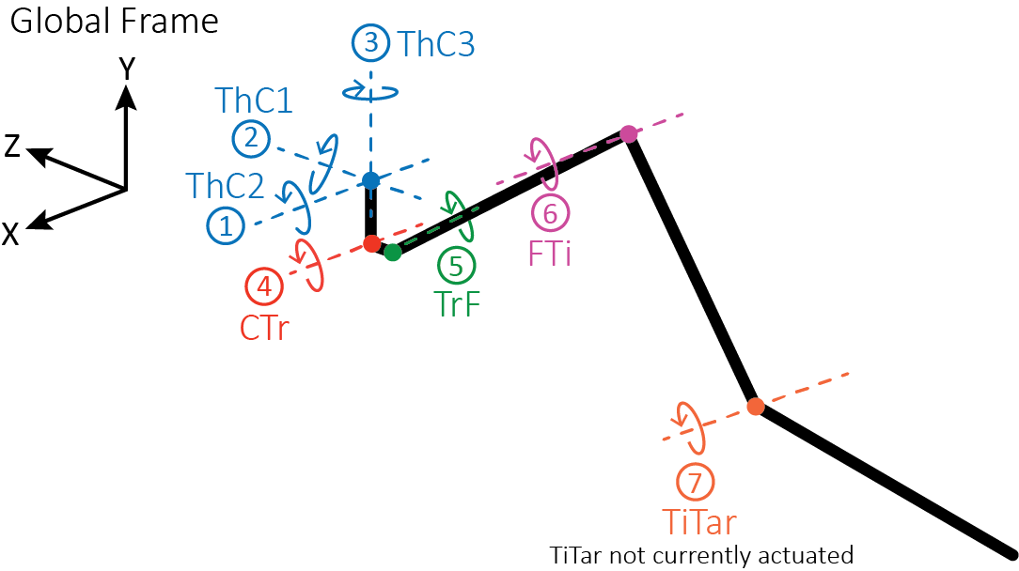
 | LH_Trochanter | 0.069 | 0.678 | 0.05 | -0.477 | -0.109 | -180 | 0 | 90 | 0.0711 | -0.0345 | 0
 | LH_Femur | 0.683 | 6.709 | 0.05 | -0.262 | -0.409 | 0 | 0 | 39 | 0.3 | 0.215 | 0
 | LH_Tibia | 0.673 | 6.611 | 0.05 | -0.315 | -0.885 | 0 | 0 | -90 | 0.36 | -0.341 | 0
 | LH_Tarsus | 0.848 | 8.334 | 0.05 | -0.621 | -1.518 | 0 | 0 | 45 | 0.636 | 0.3 | 0
Right Hind | RH_Coxa | 0.142 | 1.397 | 0.05 | -0.406 | 0.0748 | 90 | -90 | 0 | 0 | 0.0711 | 0
 | RH_Trochanter | 0.069 | 0.678 | 0.05 | -0.477 | 0.109 | 0 | 0 | 90 | 0.0711 | 0.0345 | 0
 | RH_Femur | 0.683 | 6.709 | 0.05 | -0.262 | 0.409 | 0 | 0 | 39 | 0.3 | 0.215 | 0
 | RH_Tibia | 0.673 | 6.611 | 0.05 | -0.316 | 0.885 | 0 | 0 | -90 | 0.336 | -0.341 | 0
 | RH_Tarsus | 0.848 | 8.334 | 0.05 | -0.621 | 1.518 | 0 | 0 | 45 | 0.636 | 0.3 | 0

